Sample Bill
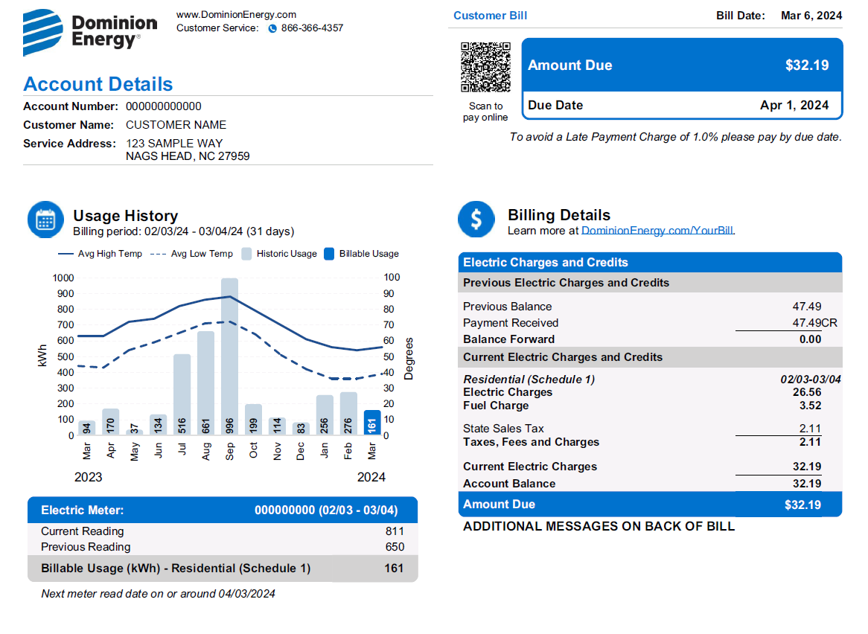
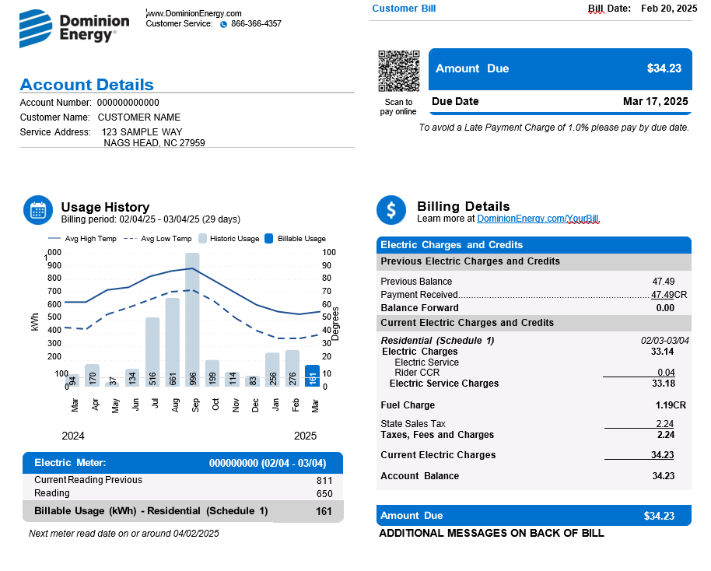
Required Field #1

Required Field #2

The rate worksheet will
calculate these charges.

Required Field #3

